Lambda Max Curve
λ (nm) | Absorbance
700 | 0.152
725 | 0.211
Absorbance against wavelength 0.05 moldm⁻³ CuSO₄.5H₂O
750 | 0.250
775 | 0.277
795 | 0.207
900 | 0.230

775 nm - λmax
0.277 = absorbance

Calibration Graph | CuSO4
Concentration (moldm-3) | Absorbance
0.005 | 0.015
0.01 | 0.062
0.025 | 0.152
0.05 | 0.286
Absorbance against concentration CuSO₄.5H₂O
0.075 | 0.379

775 nm - λmax

Graphs
Extraction Method
Extraction Method
Extraction Method
 | Methanol | Ethanol | Water | Ethanol (50%) | Methanol (50%)
Shaker | -29.5 | 9.5 | 8 | - | -
Heating Mantle | 78 | 58 | 45 | 16 | 24
Magnetic Stirrer | 49 | 34 | 37 | 58 | -
all data are for 0.05g, 0.05M, 20:10 ratio
extrapolated/average values

Mass of PPP
 | Water | Ethanol | Methanol | Ethanol (50%) | Methanol (50%)
0.010g | 36 | 7 | 33 | - | -
0.025g | 51 | 25 | 61 | 26 | -
0.050g | 45 | 58 | 78 | 16 | 24
all data are for heating mantle, 0.05M, 20:10 ratio

Mass of PPP
Mass of PPP
Mass of PPP
Concentration of Cu2+
 | Water | Ethanol | Methanol | Ethanol (50%) | Methanol (50%)
0.025 mol/dm3 | 58 | 57 | 44 | 61 | 18
0.050 mol/dm3 | 45 | 58 | 49.5 | 16 | 24
0.075 mol/dm3 | 34 | 33 | 51 | 20.5 | 34
all data are for heating mantle, 0.05g, 20:10 ratio
extrapolated/average values

Solution:Cu2+ Ratio
 | Water
.10:30 | 24
.10:20 | 32
.20:30 | 25
Concentration of Cu2+
.10:10
Concentration of Cu2+
Concentration of Cu2+
.30:20
.20:10 | 45
.30:10 | -170
all data are for heating mantle, 0.05g, 0.05M
values yet to be measured

Boiling Duration
 | Water | Ethanol (50%)
3 mins | 45 | 16
6 mins | -62 | 23
9 mins | 33 | 38
all data are for heating mantle, 0.05g, 0.05M, 20:10
Solution:Cu2+ Ratios
 | .10:30 | .10:20 | .20:30 | .10:10 | .30:20 | .20:10 | .30:10
Water | 24 | 32 | 25 |  |  | 45 | -170
Solution:Cu2+ Ratios
 | Solution:Cu2+ Ratio
.10:30 | 24
.10:20 | 32
.20:30 | 25
.10:10
.30:20
.20:10 | 45
.30:10 | -170

Solvent Comparision

Boiling Duration
Boiling Duration
Boiling Duration

Methanol-Ethanol Data
 | Methanol | Ethanol
Ellagic Acid | 4585.77 | 4798.66
Gallic Acid | 4256.04 | 1652.95
Other polyphenolics | 1194.27 | 489.13 | Difference
Total polyphenolics | 10036.08 | 6940.74 | 45%

 |  |  |  | (the graph data may not represent our ligand profile as they used lower temperatures than us for extraction)

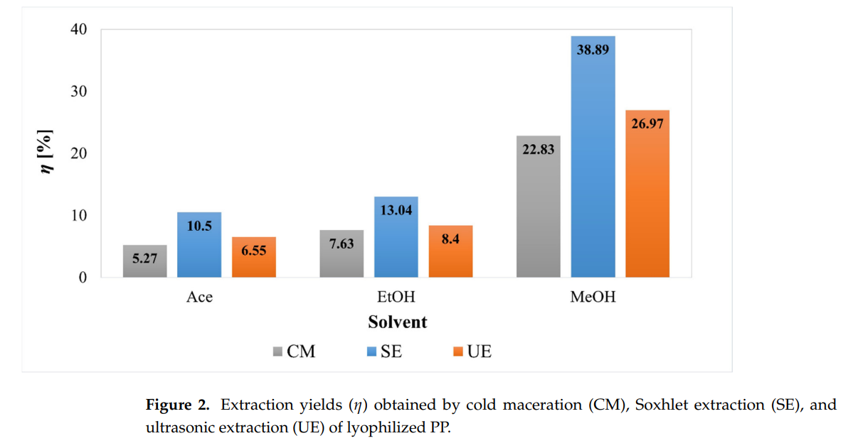

 |  |  |  | Shows methanol's (MeOH) superior ligand extraction capabilities (main focus on CM).

